iiSC Board TPs
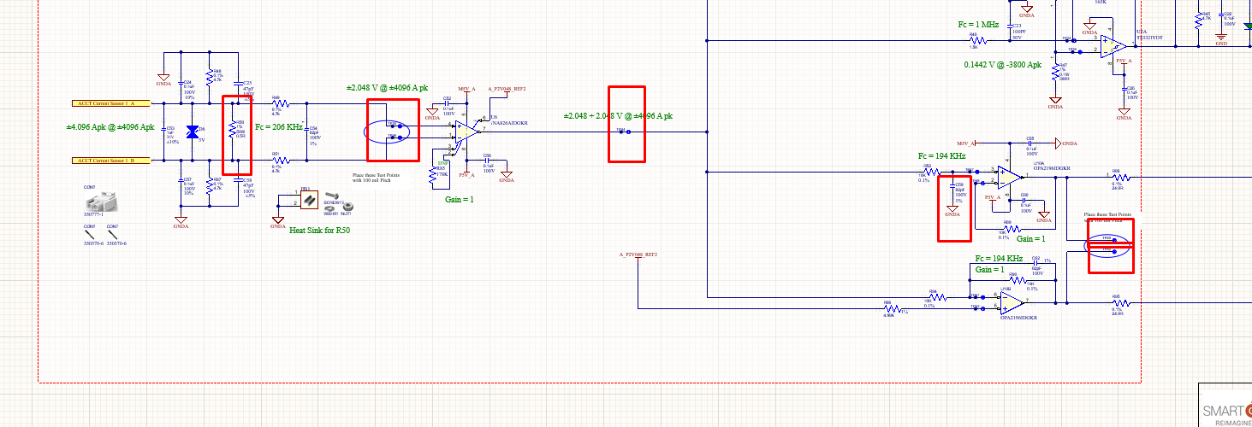
Line Current Apk | Line Current Arms | ACCT Output | Voltage Across Burden Resistor (J19/R50) | Input Voltage of Inst Amplifier G=1 (TP26-TP45) | Instr Amplifier Offset (TP44) | Input to ADC (v) TP49-AGND | Input to ADC (v) TP50-AGND
10 | 7.07 | 0.00707 | 0.003535 | 0.003535 | 2.051535 | 2.051535 | 2.044465
100 | 70.7 | 0.0707 | 0.03535 | 0.03535 | 2.08335 | 2.08335 | 2.01265
1000 | 707 | 0.707 | 0.3535 | 0.3535 | 2.4015 | 2.4015 | 1.6945
2000 | 1414 | 1.414 | 0.707 | 0.707 | 2.755 | 2.755 | 1.341
4096 | 4096 | 4.096 | 2.048 | 2.048 | 4.096 | 4.096 | 0
 | 2048 | 2.048 | 1.024 | 1.024 | 3.072 | 3.072 | 1.024

Use This Calculator for Testing the Current Sensing Channel

Schematic
